3. Measures
 | Phase 3: Measures

 | Enter the measures that can be taken to improve data protection in the table below. Consider each of the nine strategies of Privacy by Design from the scheme, that is based on the proposals by Jaap-Henk Hoepman. For more information, check www.privacydesigner.nl.
 |  |  | 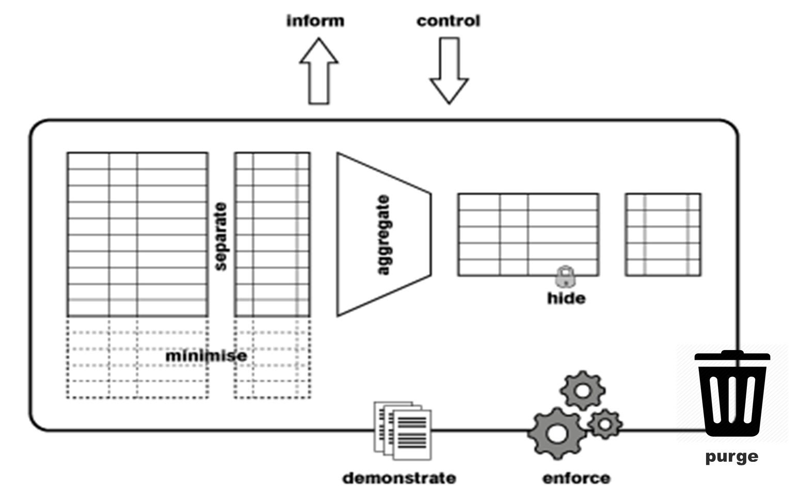
13 | Measures | Name | Proposal | Strategy | Included in the design | Need/Nice/Blue sky
 | 1 | Encryption | Encrypt all data from the client to the web app server | Hide | nee | Need to have
 | 2 | Only store recommendation results from blood test non historical | Only store recommendation results from blood test non historical | Save less | nee | Need to have
 | 3 | Only store recommendation results from blood test non historical | Only store recommendation results from blood test non historical | Make abstract | ja | Nice to have
 | 4 | Optional bio data | the use of biometrics data and surveys is completely up to the user and can be foregone | Inform | ja | Need to have
 | 5 | Onsite personel data | Employee and contractor data handled onsite and segregated from other systems | Hide | nee | Nice to have
 | 6 | Delete me feature | easily accessiple mechanicsm for the customer to delete all of their data through a user interface | Rights management | nee | Nice to have
 | 7
 | 8
 | 9
 | 10
 | 11
 | 12
 | 13
 | 14
 | 15
 | 16
 | 17
 | 18
 | 19
 | 20

 | ©2021 Privacy Company

